Figs
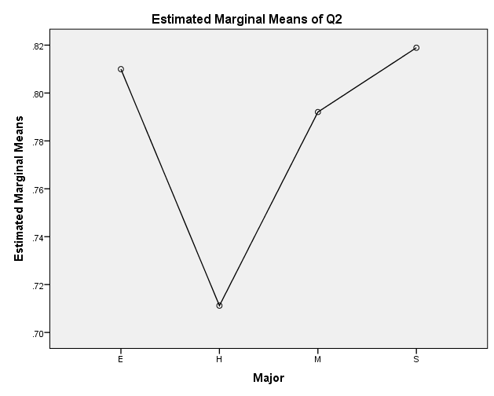
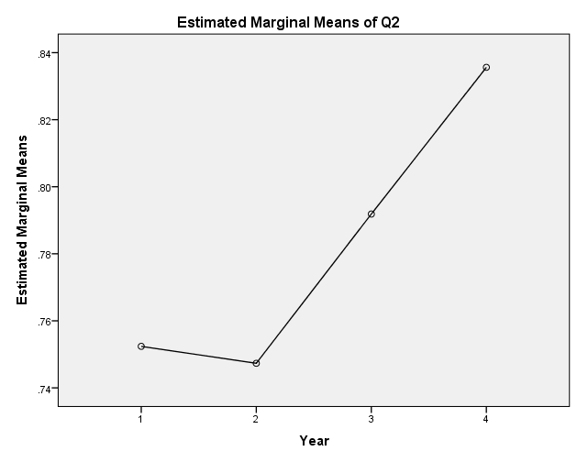
Between-Subjects Factors |  |  |  | National (%) | Bucknell (%)
 |  | N | Global warming is happening | 63 | 90.76 | Tests of Between-Subjects Effects
Gender | F | 223 | Global warming is largely caused by human activities | 48 | 77.25 | Dependent Variable: | Q2
 | M | 195 |  |  |  | Source | Type III Sum of Squares | df | Mean Square | F | Sig.
Major | E | 93 |  |  |  | Corrected Model | 4.629a | 30 | 0.154 | 0.890 | 0.637
 | H | 145 |  |  |  | Intercept | 76.341 | 1 | 76.341 | 440.151 | 0.000
 | M | 38 |  |  |  | Gender | 0.078 | 1 | 0.078 | 0.450 | 0.503
 | S | 142 |  |  |  | Major | 0.432 | 3 | 0.144 | 0.831 | 0.477
Year | 1 | 20 |  |  |  | Year | 0.330 | 3 | 0.110 | 0.634 | 0.593
 | 2 | 262 |  |  |  | Gender * Major | 0.696 | 3 | 0.232 | 1.338 | 0.262
 | 3 | 77 |  |  |  | Gender * Year | 0.694 | 3 | 0.231 | 1.334 | 0.263
 | 4 | 59 |  |  |  | Major * Year | 1.155 | 9 | 0.128 | 0.740 | 0.672
 |  |  |  |  |  | Gender * Major * Year | 1.482 | 8 | 0.185 | 1.068 | 0.385
 | 418 |  |  |  |  | Error | 67.123 | 387 | 0.173
 |  |  |  |  |  | Total | 326.000 | 418
 |  |  |  |  |  | Corrected Total | 71.751 | 417
 |  |  |  |  |  | a. R Squared = .065 (Adjusted R Squared = -.008)

